Prejob Meeting
Well Data
Client | Strathcona |  |  |  | Client Solutions Rep | Mark Astley
Rig | PD 529 |  |  |  | TS Rep | Jason Schneider
LSD | 100/08-20-62-3W6 |  |  |  | Current Risk Score | 100.5
Current Program Number | PRG2001091 | REV 8 |  |  | Main Risk Sources | Liner, Depth, Temp, Hesitation
Job Type | Liner |  |  |  | Expected Job Date | 2020-12-07
District | Grande Prairie

Previous Wells
Any previous wells with same client and same configuration? |  |  |  | Yes | No
What was the highest surface pressure of last 1 to 3 wells? |  |  |  | 35 | 40 | 40
What what were the rates at that pressure? |  |  |  | 1 | 0.8 | 0.7
Any action items identified from last jobs?

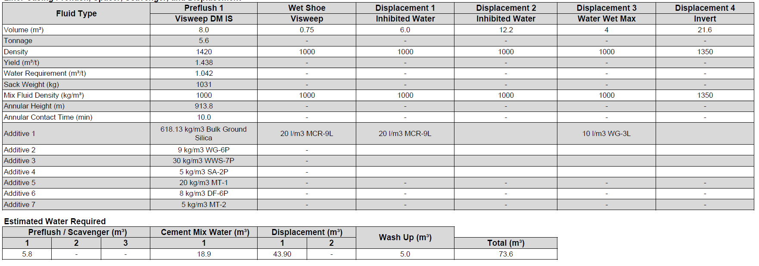
Materials
Review program for preflush, cement and displacement materials |  |  |  | Visweep DM IS | MCR-9L in Wet Show & Displacement, WWM across liner top
Any new products? |  |  | Yes | No
Any product related special PPE or procedures needed? |  |  | Yes | No
Has district inventory been checked? |  |  | Yes | No
Sanjel inventory checked? |  |  | Yes | No

Field Blend Testing
Field blend testing required? |  |  | Yes | No
Approval range via the client or Sanjel default? |  |  | Client | Sanjel
Are tests completed? |  |  | Yes | No
What is number and size of cuts required |  |  | Single test for client
Does client require all cement to be tested or one cut? |  |  | Single test for client
Does Sanjel want each cut tested? |  |  | No
Will cement be held at district or shipped to location? |  |  | Held until approved - Approved Dec 2, 2020

Well Simulations
What completion tools if any are in the hole? |  |  | Import Liner Hanger, Tier 1 Toe Port, Tier 1 Float collar, Tier 1 float shoe
Any burst ports? (what is presure?) |  |  | 57 MPa Nominal Surface Pressure
Other? |  |  | Simulation model based on previous pressure match model
Simulation completed? |  |  | Yes | No
Simulated Rates |  |  | 0.8
Simulated Excess |  |  | 10% excess
Updated mud properties used? |  |  | Mud Report from Last Well
Actual Directional Survey |  |  | Yes | No | Well Plan - Survey not provided
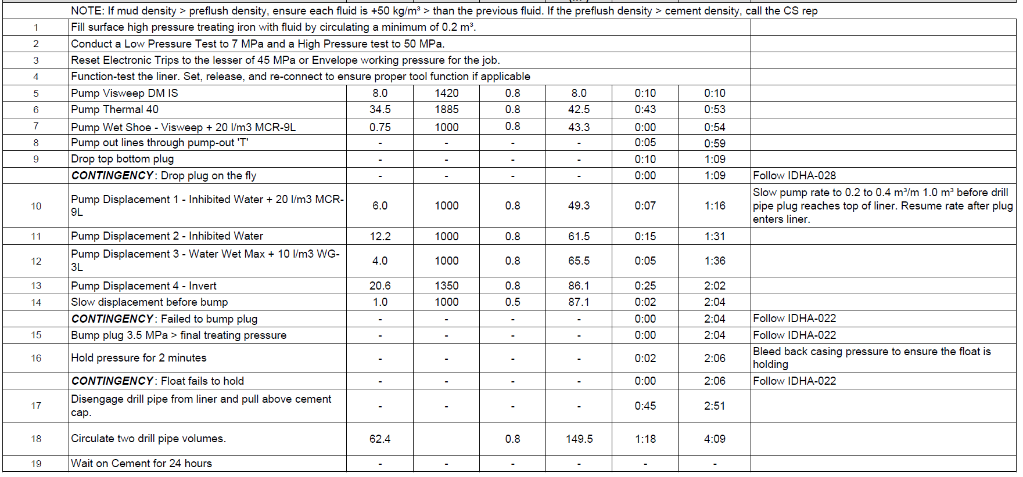
Other assumptions? |  |  | P/T dependant, Standoff 100% build - 75% lateral
What is maximum anticipated surface pressure? |  |  | 36
What is pressure test value(s)? |  |  | 50
Review Horsepower |  |  | 679.4

Equipment and Job Procedures
What Sanjel equipment is planned at this time? |  |  | TBD
Any 3rd party equipment? | Client supplied head and plug |  | Import tools: TD Cementing swivel, TD Cement/Pluh Loading Head, Flag Indicator Sub, TD Positive ball drop Sub, drill pipe pump down plug

Any products needing to be prehydrated or premixed before the job? |  |  |  | No
Any unusual procedures to be used for this job? |  |  | 4 Displacement fluids - Inhibitedwater with MCR-9L, Inhibited water, Water wet max, Invert. Slow down with 5 m3 left in displacement.
Any specialized data to be recorded during this job? |  |  | No
Any non-typical samples required on this job? |  |  | Need a bulk sample from P-Tank for Strathcona and Sanjel

Contingencies
List any known contingencies and consequent actions at this time: |  |  |  | Backup water, bulker for backup blower
Bulk delivery issues (rate or density most important?) |  |  |  | Rate can be slowed if there is bulk delivery issues - density is more important
Extended shut downs? |  |  | maximum allowed is 60 min
Higher than expected pressures? |  |  | slow down
Density Sensitivity |  |  | Stay within +/- 25 kg
If we don’t bump the plug? |  |  | We already have a 0.75 m3 wet shoe. Confirm plug was dropped Stop at calculated displacement point, follow work instruction for displacement, and confirm plug has been dropped. If the plug has been dropped, confirm aeration calculation, consult with Client Representative on location and continue to displace as directed. Follow MOC procedure.

Action Items from this meeting |  | Confirm volume to slow down prior to bump.

Attendance

HP Calcs
Enter data in Yellow cells
 | Mixing | Displacing |  |  | Chart Title
Design Rate | 0.8 | 0.8 | m³/min
Design Pressure | 14 | 36 | MPa |  | Design Mixing HHP @ 0.8m³/min & 14MPa
Horsepower | 250.3 | 643.7 | HHP |  | Single or Twin | Mix or Displ | SCS limits |  | Design Displacing HHP @ 0.8m³/min & 36MPa
Required HHP vs Available HHP per Engine Type
 |  |  |  |  | Single | Max HP Mixing | 1.2 | m³/min
 |  |  |  |  | Twin | Max HP Displacing | 2 | m³/min
 |  |  |  |  |  |  | Losses
 |  |  |  |  | Engine Type | Engine HP | Mixing HP | Displacing HP | Displ | Mix | Net HP Displ | Net HP Mix | Net KW Displ | Net KW Mix
 |  |  |  | 363 | 2 x C9 375HHP | 726 | 250.3 | 643.7 | 94.5 | 176 | 1263 | 1100 | 941.8 | 820.3
 |  |  |  | 424 | 2 x C13 475HHP | 848 | 250.3 | 643.7 | 94.5 | 176 | 1507 | 1344 | 1123.8 | 1002.2
 |  |  |  | 457 | 2 x C13 520HHP | 914 | 250.3 | 643.7 | 94.5 | 176 | 1639 | 1476 | 1222.2 | 1100.7
 |  |  |  | 507 | 1 x DD15 560HHP | 507 | 250.3 | 643.7 | 118 | 200 | 389 | 307 | 290.1 | 228.9
 |  |  |  | 538 | 1 x DD16 600HHP | 538 | 250.3 | 643.7 | 118 | 200 | 420 | 338 | 313.2 | 252.0

 |  |  |  |  | Plunger size | Max Pres (psi) | Max Pres (MPa) | Rate Low | Rate High (single) | Rate High (Twin)
 |  |  |  |  | 3.5" | 10394 | 71.7 | 0.1 | 1.28 | 2.56
 |  |  |  |  | 4.0" | 7958 | 54.9 | 0.1 | 1.58 | 3.16
 |  |  |  |  | 4.5" | 6288 | 43.4 | 0.16 | 2.1 | 4.2

 |  |  |  |  |  | Notes:
 |  |  |  |  |  | Engine HP from Liguo calcs located here.
 |  |  |  |  |  | All HP numbers are average of RPM range

Approval Sheet
Operations Summary Sheet
Client: | Strathcona |  |  |  |  | Lead Placement | 211 | 3hr:30min |  | Tail Placement
Well name: | Strath Hz Lator |  |  |  |  | Safe Pump Time | 331 | 5hr:30min |  | Safe Pump Time
Location: | 100/08-20-62-3W6 |  |  |  |  | Lead Min | 366 | 6hr:5min |  | Tail Min
Rig: | PD 529 |  |  |  |  | Pilot | 430 | 7hr:10min |  | Pilot |  |  |  |  |  |  |  | Time | Min | Max
Program #: | PRG2001091 |  |  |  |  | Pilot Hes | 449 | 7hr:28min |  | Field Blend Test |  |  |  |  |  |  | Lead Placement | 211 | 366 | 602
 |  |  |  |  |  | Field Blend Test | 433 | 7hr:13min |  | Tail Max |  |  |  |  |  |  | Safe Pump Time | 331 | 366 | 602
HHP Requirement: | 643.68 | HP |  |  |  | Field Blend Hesitation | 410 | 6hr:50min |  |  |  |  |  |  |  |  | Pilot | 430 | 366 | 602
Tail Cement
Simulated Pressure: | 36 | MPa |  |  |  | Lead Max | 602 | 10hr:1min |  |  |  |  |  |  |  |  | Pilot Hesitation | 449 | 366 | 602
Lead Cement
 |  |  |  |  |  |  |  |  |  |  |  |  |  |  |  |  | Field Blend Test | 433 | 366 | 602
 |  |  |  |  |  |  |  |  |  |  |  |  |  |  |  |  | Field Blend Hesitation | 410.00 | 366 | 602
 |  |  |  |  |  |  |  |  |  |  |  |  |  |  |  |  |  | Time | Min | Max
 |  |  |  |  |  |  |  |  |  |  |  |  |  |  |  |  | Tail Placement | 0 | 0 | 0
 |  |  |  |  |  |  |  |  |  |  |  |  |  |  |  |  | Safe Pump Time | 0 | 0 | 0
 |  |  |  |  |  |  |  |  |  |  |  |  |  |  |  |  | Pilot | 0 | 0 | 0
 |  |  |  |  |  |  |  |  |  |  |  |  |  |  |  |  | Field Blend Test | 0 | 0 | 0

Placement Time

Number of Trucks | Surface Volume | Annular Volume | Lead Volume | Tail Volume | Displacement Volume | Step Down | Step Down Displacement Vol. | Step Down Displacement Rate | Annular DP Volume | Design Mix Rate | Design Displacement Rate | Pump-Out Time | Plug Drop Time | Hesitation Time | Lead Placement Time | Tail Placement Time
Units | m³ | m³ | m³ | m³ | m³ | Step Down # | m³ | m³/min | m³ | m³/min | m³/min | min | min | min | min | min
1 | 2.5 | 58.01 | 33.8 | 0 | 48.85 | 1 | 1 | 0.5 | 24.21 | 0.8 | 0.8 | 5 | 10 | 60 | 211 | 168
 |  |  |  |  |  |  | 0 | 0 | (Liner only) |  |  |  | 3hr:30min | 2hr:48min
 |  |  |  |  |  |  | 0 | 0 |  |  |  | Hesitation Default: 30 Stage tool, 60 liner
 |  |  |  |  |  |  | 0 | 0

*** Safe Pump Time (SPT) - NEW ***

Number of Trucks | Surface Volume | Annular Volume | Lead Volume | Tail Volume | Displacement Volume | Circ out Total Annular Volume | Reduced Mix Rate | Displacement Rate | Pump-Out Time | Plug Drop Time | Hesitation Time | Safe Pump Time | Lead Pilot test target TT100 | Tail Pilot test target TT100
Units | m³ | m³ | m³ | m³ | m³ | m³ | m³/min | m³/min | min | min | min | min | min | min
1 | 2.5 | 58.01 | 33.8 | 0 | 49.85 | 58.01 | 0.5 | 0.5 | - | - | - | 331 | 419 | 389
 |  |  |  |  |  |  |  |  |  |  |  | 5hr:30min | 6hr:58min | 6hr:28min

1) | Use "Tail Volume" when only 1 cement is used |  |  |  |  |  |  |  |  | Blend Testing | SPT | Min TT100 | Min Target TT100 | Actual Pilot | Max TT100
2) | Enter number of trucks used for the operation |  |  |  |  |  |  |  |  | Lead | 331 | 366 | 419 | 430 | 602
3) | Enter job volumes in to sheet to determine Target Lead & Tail Placement times, Min TT100, and Targer TT100 |  |  |  |  |  |  |  |  |  | 5hr:30min | 6hr:5min | 6hr:58min | 7hr:10min | 10hr:1min
4) | Select blend with pilot equal to or greater than the Min Target TT100 |  |  |  |  |  |  |  |  | Tail | 331 | 0 | 389 | 0 | 0
5) | Enter pilot test values into "Actual Pilot" part of the sheet (Cells O27 and O29) |  |  |  |  |  |  |  |  |  | 5hr:30min | 0hr:0min | 6hr:28min | 0hr:0min | 0hr:0min
6) | Min and Max TT100 will be based on the Actual Pilot value
7) | Automatic Pass/Fail of Field Blend will be based on Actual Pilot value
8) | Laboratory can pass field blend tests within the min/max range
9) | If the Field Blend test is outside the acceptable range, CS will decide on plan moving forward

Test Results
Client | Strathcona |  |  | Well | LSD | 100/08-20-62-3W6
Requested Tests

 | Pilot | Pilot Hes | FB | FB Hes
0 | 12.849464417 | 21.015136719 | 12.623592377 | 11.55728054
0.5 | 13.399208069 | 21.007684708 | 13.009713173 | 11.654475212
1 | 14.249087334 | 21.675853729 | 13.35172081 | 12.163804054
1.5 | 14.597045898 | 22.415407181 | 13.649159431 | 12.301114082
2 | 15.058060646 | 22.262922287 | 13.55413723 | 12.515594482
2.5 | 15.426405907 | 22.493438721 | 13.502267838 | 12.370504379
3 | 15.69786644 | 23.020359039 | 13.473445892 | 12.331641197
3.5 | 15.890993118 | 22.495538712 | 13.317850113 | 12.024600029
4 | 15.957802773 | 22.752571106 | 13.265004158 | 11.976584435
4.5 | 15.984580994 | 22.693227768 | 13.144404411 | 11.755152702
5 | 15.923875809 | 21.951101303 | 13.060375214 | 11.577266693
5.5 | 15.698515892 | 21.804544449 | 13.013442039 | 11.539628029
6 | 15.560255051 | 21.56722641 | 12.803963661 | 11.48375988
6.5 | 15.109652519 | 21.138618469 | 12.682500839 | 11.396731377
7 | 14.993460655 | 20.868322372 | 12.603745461 | 11.342179298
7.5 | 14.931674004 | 20.563938141 | 12.460012436 | 11.266244888
8 | 14.585560799 | 20.235548019 | 12.371759415 | 11.162535667
8.5 | 14.288419724 | 20.050765991 | 12.217326164 | 11.123916626
9 | 14.137742996 | 20.039686203 | 12.070990562 | 11.071714401
9.5 | 13.69859314 | 19.943626404 | 11.973668098 | 10.972229958
10 | 13.4859972 | 19.580469131 | 11.878170967 | 11.03180027
10.5 | 13.301613808 | 19.430952072 | 11.706115723 | 10.933214188
11 | 13.0896492 | 19.065238953 | 11.646538734 | 10.862863541
11.5 | 12.879589081 | 18.55150032 | 11.644049644 | 10.787128448
12 | 12.751883507 | 18.425754547 | 11.499941826 | 10.678567886
12.5 | 12.58631897 | 18.281700134 | 11.391614914 | 10.582120895
13 | 12.397402763 | 18.348020554 | 11.343320847 | 10.340087891
13.5 | 12.209449768 | 18.517564774 | 11.2485075 | 10.34814167
14 | 12.044362068 | 18.512403488 | 11.011791229 | 10.060900688
14.5 | 11.855575562 | 18.310115814 | 11.046750069 | 9.9433956146
15 | 11.684235573 | 18.275632858 | 10.988484383 | 9.8192367554
15.5 | 11.609211922 | 18.232021332 | 10.842727661 | 9.6387815475
16 | 11.465049744 | 18.30491066 | 10.80404377 | 9.5067682266
16.5 | 11.303685188 | 17.953659058 | 10.624559402 | 9.405418396
17 | 11.16140461 | 17.800291061 | 10.61074543 | 9.2383165359
17.5 | 11.046112061 | 17.685506821 | 10.511712074 | 9.0848503113
18 | 10.840056419 | 17.422063828 | 10.304093361 | 8.9145317078
18.5 | 10.76074791 | 16.835535049 | 10.113218307 | 8.897726059
19 | 10.617008209 | 16.598890305 | 9.9438123703 | 8.7407770157
19.5 | 10.426244736 | 16.402141571 | 9.7344875336 | 8.5659246445
20 | 10.345733643 | 16.213493347 | 9.7989873886 | 8.4909143448
20.5 | 10.19425869 | 16.064878464 | 9.6884899139 | 8.3928565979
21 | 10.067391396 | 15.98242569 | 9.5887832642 | 8.2504777908
21.5 | 9.9416761398 | 15.754250526 | 9.4421510696 | 8.1984319687
22 | 9.8486509323 | 15.684931755 | 9.3703022003 | 7.9994912148
22.5 | 9.7264547348 | 15.833389282 | 9.3029317856 | 8.0082731247
23 | 9.6093931198 | 15.769928932 | 9.2210884094 | 7.9305214882
23.5 | 9.5526304245 | 15.363547325 | 8.907866478 | 7.8459906578
24 | 9.4087352753 | 15.115060806 | 8.7205505371 | 7.6441588402
24.5 | 9.315284729 | 15.069987297 | 8.5554904938 | 7.6874089241
...

Thickening Times 100 Bc (Minutes)
Pilot | Pilot Hes | FB | FB Hes
429.00 | 448.50 | 433.00 | 410.00
7hr:9min | 7hr:28min | 7hr:13min | 6hr:50min

